Sheet2
 | Happiness Level
wake up | 3
have breakfast | 8
brush your teeth | 2
take a shower | 5
take a bath | 7
get dressed | 4
go to school | 1
study English | 9
have lunch | 9
wash the dishes | 1
read a book | 8
do your homework | 2
cook dinner | 2
go to bed | 9
practice the guitar | 9
play with friends | 9
exercise | 6
brush your hair | 1
go shopping | 9
go for a walk | 9
take out the trash | 1
clean the house | 5
read the newspaper | 7
surf the internet | 8
water the plants | 8
watch TV | 9
relax | 9
listen to music | 9
do the laundry | 2
iron the clothes | 2
feed the dog | 7
walk the dog | 8
take a taxi | 9

Sheet3
 | Happiness Level
wake up | 3
have breakfast | 8
brush your teeth | 2
take a shower | 5
take a bath | 7
get dressed | 4
go to school | 1
study English | 9
have lunch | 9
wash the dishes | 1
read a book | 8
do your homework | 2
cook dinner | 2
go to bed | 9
practice the guitar | 9
play with friends | 9
exercise | 6
brush your hair | 1
go shopping | 9
go for a walk | 9
take out the trash | 1
clean the house | 5
read the newspaper | 7
surf the internet | 8
water the plants | 8
watch TV | 9
relax | 9
listen to music | 9
do the laundry | 2
iron the clothes | 2
feed the dog | 7
walk the dog | 8
take a taxi | 9

Sheet4
 | Start time | Happiness Level
wake up | 6:00:00 | 3
have breakfast | 6:05:00 | 8
brush your teeth | 6:20:00 | 2
take a shower | 6:25:00 | 5
take a bath | 6:36:00 | 7
get dressed | 6:40:00 | 4
go to school | 7:10:00 | 1
study English | 8:00:00 | 9
have lunch | 10:10:00 | 9
wash the dishes | 11:00:00 | 1
read a book | 11:10:00 | 8
do your homework | 12:00:00 | 2
cook dinner | 21:00:00 | 2
go to bed | 23:00:00 | 9
practice the guitar | 13:00:00 | 9
play with friends | 16:15:00 | 9
exercise | 18:05:00 | 6
brush your hair | 14:00:00 | 1
go shopping | 14:05:00 | 9
go for a walk | 20:00:00 | 9
take out the trash | 20:06:00 | 1
clean the house | 20:15:00 | 5
read the newspaper | 23:00:00 | 7
surf the internet | 23:10:00 | 8
water the plants | 14:45:00 | 8
watch TV | 14:50:00 | 9
relax | 15:20:00 | 9
listen to music | 15:30:00 | 9
do the laundry | 15:40:00 | 2
iron the clothes | 15:45:00 | 2
feed the dog | 15:50:00 | 7
walk the dog | 15:55:00 | 8
take a taxi | 16:00:00 | 9

Sheet5
 | Start time
wake up | 6:00:00
have breakfast | 6:05:00
brush your teeth | 6:20:00
take a shower | 6:25:00
take a bath | 6:36:00
get dressed | 6:40:00
go to school | 7:10:00
study English | 8:00:00
have lunch | 10:10:00
wash the dishes | 11:00:00
read a book | 11:10:00
do your homework | 12:00:00
cook dinner | 21:00:00
go to bed | 23:00:00
practice the guitar | 13:00:00
play with friends | 16:15:00
exercise | 18:05:00
brush your hair | 14:00:00
go shopping | 14:05:00
go for a walk | 20:00:00
take out the trash | 20:06:00
clean the house | 20:15:00
read the newspaper | 23:00:00
surf the internet | 23:10:00
water the plants | 14:45:00
watch TV | 14:50:00
relax | 15:20:00
listen to music | 15:30:00
do the laundry | 15:40:00
iron the clothes | 15:45:00
feed the dog | 15:50:00
walk the dog | 15:55:00
take a taxi | 16:00:00

Sheet6
 | Start time
wake up | 6:00:00
have breakfast | 6:05:00
brush your teeth | 6:20:00
take a shower | 6:25:00
take a bath | 6:36:00
get dressed | 6:40:00
go to school | 7:10:00
study English | 8:00:00
have lunch | 10:10:00
wash the dishes | 11:00:00
read a book | 11:10:00
do your homework | 12:00:00
cook dinner | 21:00:00
go to bed | 23:00:00
practice the guitar | 13:00:00
play with friends | 16:15:00
exercise | 18:05:00
brush your hair | 14:00:00
go shopping | 14:05:00
go for a walk | 20:00:00
take out the trash | 20:06:00
clean the house | 20:15:00
read the newspaper | 23:00:00
surf the internet | 23:10:00
water the plants | 14:45:00
watch TV | 14:50:00
relax | 15:20:00
listen to music | 15:30:00
do the laundry | 15:40:00
iron the clothes | 15:45:00
feed the dog | 15:50:00
walk the dog | 15:55:00
take a taxi | 16:00:00

Sheet7
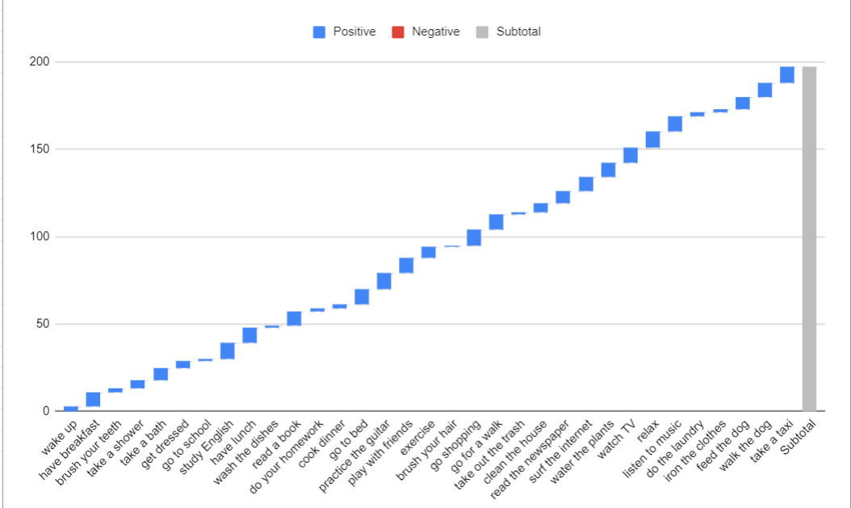

Sheet8
 | Happiness Level
06:02 | 3
06:15 | 8
06:23 | 2
06:35 | 5
06:40 | 7
07:00 | 4
07:30 | 1
08:40 | 9
10:30 | 9
11:10 | 1
11:50 | 8
13:00 | 2
21:30 | 2
05:59 | 9
13:30 | 9
18:00 | 9
19:00 | 6
14:02 | 1
14:45 | 9
20:05 | 9
20:10 | 1
20:30 | 5
23:10 | 7
23:30 | 8
14:50 | 8
15:20 | 9
15:30 | 9
15:40 | 9
15:45 | 2
15:50 | 2
15:55 | 7
16:00 | 8
16:15 | 9

